routing for CSV
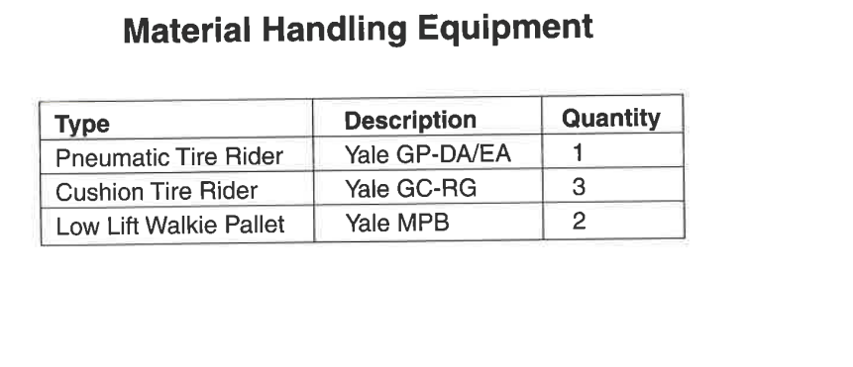
Routing | User Define | Flow % | Part | From | Method | Container | Containers part/cont | To
Grill |  | 100 | Legs | R | Pallet truck | Pallet | 1 | I
Grill |  | 100 | Legs | I | Pallet truck | Pallet | 1 | S1
Grill |  | 100 | Legs | S1 | Pallet truck | Pallet | 1 | F
Grill |  | 100 | Legs | F | Pallet truck | Pallet | 1 | Pa
Grill |  | 100 | Legs | Pa | Pallet truck | Pallet | 1 | P
Grill |  | 100 | Legs | Pa | Pallet truck | Pallet | 1 | S2
Grill |  | 100 | Top Brace | R | Forklift | Pallet | 1 | I
Grill |  | 100 | Top Brace | I | Forklift | Pallet | 1 | S1
Grill |  | 100 | Top Brace | S1 | Forklift | Pallet | 1 | F
Grill |  | 100 | Top Brace | F | Forklift | Pallet | 1 | Pa | Pnuematic Lift truck
Grill |  | 100 | Top Brace | Pa | Forklift | Pallet | 1 | P | ICE lift truck
Grill |  | 100 | Top Brace | Pa | Forklift | Pallet | 1 | S2 | Conveyor Belt
Grill |  | 100 | Control Panel | R | Forklift | Pallet | 1 | I | Hand Pallet truck
Grill |  | 100 | Control Panel | I | Forklift | Pallet | 1 | S1
Grill |  | 100 | Control Panel | S1 | Forklift | Pallet | 1 | F
Grill |  | 100 | Control Panel | F | Forklift | Pallet | 1 | Pa
Grill |  | 100 | Control Panel | Pa | Forklift | Pallet | 1 | P
Grill |  | 100 | Control Panel | Pa | Forklift | Pallet | 1 | S2
Grill |  | 100 | Wood Slats | R | Forklift | Pallet | 1 | I
Grill |  | 100 | Wood Slats | I | Forklift | Pallet | 1 | S1
Grill |  | 100 | Wood Slats | S1 | Forklift | Pallet | 1 | F
Grill |  | 100 | Wood Slats | F | Forklift | Pallet | 1 | P
Grill |  | 100 | Wood Slats | P | Forklift | Pallet | 1 | S2
Grill |  | 100 | Bottom brace | R | Forklift | Pallet | 1 | I
Grill |  | 100 | Bottom brace | I | Forklift | Pallet | 1 | S1
Grill |  | 100 | Bottom brace | S1 | Forklift | Pallet | 1 | F
Grill |  | 100 | Bottom brace | F | Forklift | Pallet | 1 | Pa
Grill |  | 100 | Bottom brace | Pa | Forklift | Pallet | 1 | P
Grill |  | 100 | Bottom brace | Pa | Forklift | Pallet | 1 | S2
Grill |  | 100 | Tube plugs | R | Conveyor | Tote | 1 | I
Grill |  | 100 | Tube plugs | I | Conveyor | Tote | 1 | S1
Grill |  | 100 | Tube plugs | S1 | Conveyor | Tote | 1 | F
Grill |  | 100 | Tube plugs | F | Conveyor | Tote | 1 | P
Grill |  | 100 | Tube plugs | P | Conveyor | Tote | 1 | S2
Grill |  | 100 | Knob | R | Conveyor | Tote | 1 | I
Grill |  | 100 | Knob | I | Conveyor | Tote | 1 | S1
Grill |  | 100 | Knob | S1 | Conveyor | Tote | 1 | F
Grill |  | 100 | Knob | F | Conveyor | Tote | 1 | P
Grill |  | 100 | Knob | P | Conveyor | Tote | 1 | S2
Grill |  | 100 | Leg extensions | R | Forklift | Pallet | 1 | I
Grill |  | 100 | Leg extensions | I | Forklift | Pallet | 1 | S1
Grill |  | 100 | Leg extensions | S1 | Forklift | Pallet | 1 | F
Grill |  | 100 | Leg extensions | F | Forklift | Pallet | 1 | P
Grill |  | 100 | Leg extensions | P | Forklift | Pallet | 1 | S2
Grill |  | 100 | Tank holder | R | Forklift | Pallet | 1 | I
Grill |  | 100 | Tank holder | I | Forklift | Pallet | 1 | S1
Grill |  | 100 | Tank holder | S1 | Forklift | Pallet | 1 | F
Grill |  | 100 | Tank holder | F | Forklift | Pallet | 1 | P
Grill |  | 100 | Tank holder | P | Forklift | Pallet | 1 | S2
Grill |  | 100 | Axle | R | Forklift | Pallet | 1 | I
Grill |  | 100 | Axle | I | Forklift | Pallet | 1 | S1
Grill |  | 100 | Axle | S1 | Forklift | Pallet | 1 | F
Grill |  | 100 | Axle | F | Forklift | Pallet | 1 | P
Grill |  | 100 | Axle | P | Forklift | Pallet | 1 | S2
Grill |  | 100 | Purchased parts | R | Forklift | Pallet | 1 | I
Grill |  | 100 | Purchased parts | I | Forklift | Pallet | 1 | S1
Grill |  | 100 | Purchased parts | S1 | Forklift | Pallet | 1 | P
Grill |  | 100 | Purchased parts | P | Forklift | Pallet | 1 | S2

Additional Pics
